Fibonacci
n
8
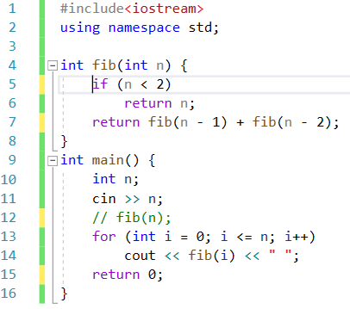
i | i<=n | n<2 | return fib(n-1) + fib(n-2)
 |  | return n
0 | Si | Si --> 0
1 |  | Si --> 1
2 |  |  | return fib(2-1) + fib(2-2)
 |  |  | 1+0 = 1 | 1
3 |  |  | return fib(3-1) + fib(3-2)
 |  |  | 1+1= 2 | 2
4 |  |  | return fib(4-1) + fib(4-2)
 |  |  | 2 + 1 = 3 | 3
5 |  |  | return fib(5-1) + fib(5-2)
 |  |  | 3 + 2 = 5 | 5
6 |  |  | return fib(6-1) + fib(6-2)
 |  |  | 5 + 3 = 8 | 8
7 |  |  | return fib(7-1) + fib(7-2)
 |  |  | 8 + 5 = 13 | 13

